1. Title Page
[Project Name]

Project Name:
Date:
Analyst Name:

Contents:
Consistency checks
Wrangling steps
Column derivations
Visualizations
Recommendations

3. Consistency checks
 |  |  |  | Title page
Consistency checks

Dataset | Missing values | Missing values treatment | Duplicates
df_bank | There is no missing values in any columns | N/A | There is no duplicates

4. Wrangling steps
 |  |  |  | Title page
Wrangling steps

Columns dropped | Columns renamed | Columns' type changed | Comment/Reason
'country', 'gender' |  |  | Removed categorical columns for data processing

5. Column derivations
 |  |  |  | Title page

Column derivations and aggregations

No New column were added
Dataset | New column | Column/s it was derived from | Conditions
N/A | N/A | N/A | N/A

6. Visualizations
 |  |  |  | Title page

Visualisations

In this tab you should include all the visualtions from Achivament 6 Include and commentary on the relationship between different variables.

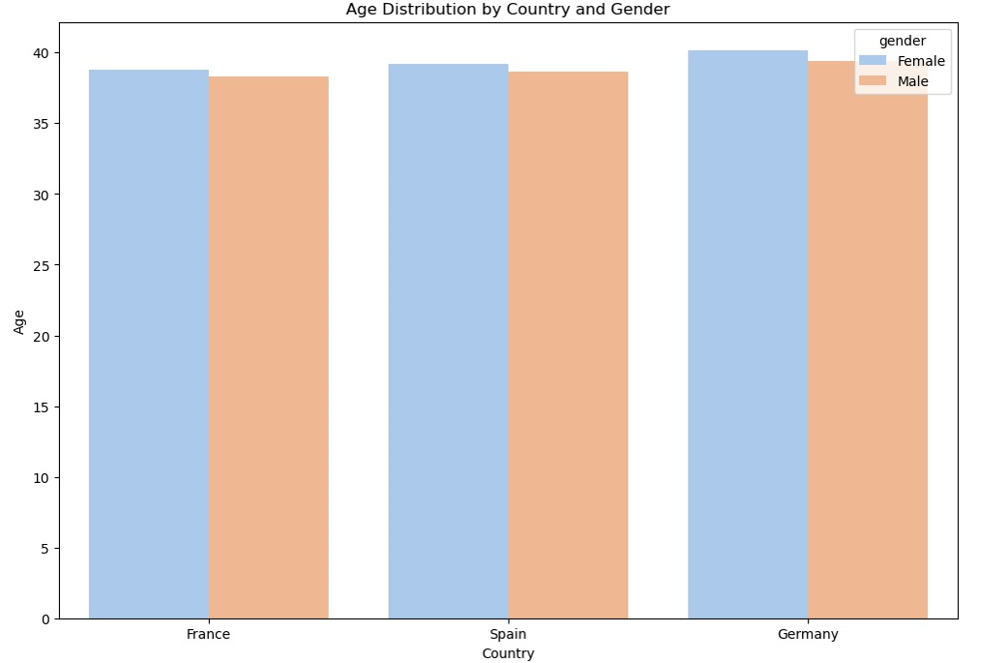

 |  |  |  |  | The graph shows that the average age distribution between male and female customers is consistent across France, Spain, and Germany, with minimal variation in age between genders within each country. This suggests a balanced age demographic for both male and female customers in these countries.

 |  | Balance distribution by Country
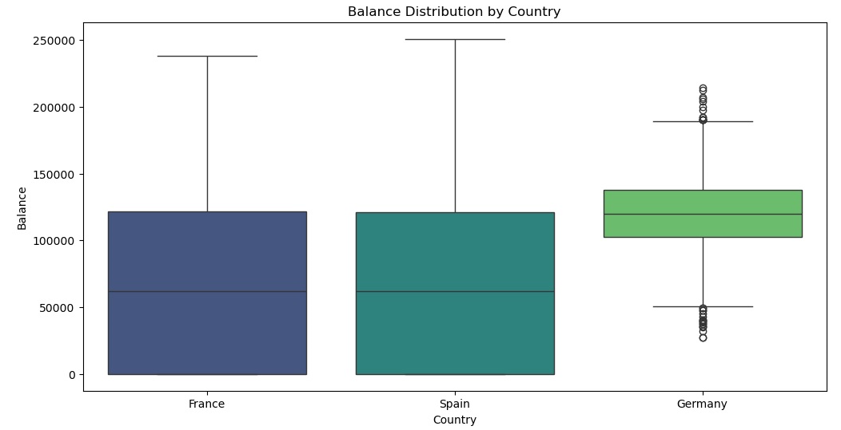

 |  |  |  |  | The box plot shows the balance distribution for customers in France, Spain, and Germany. German customers have a higher median balance with less variability, while France and Spain show similar distributions with wider variability in account balances.

 | Count of Customer per Country

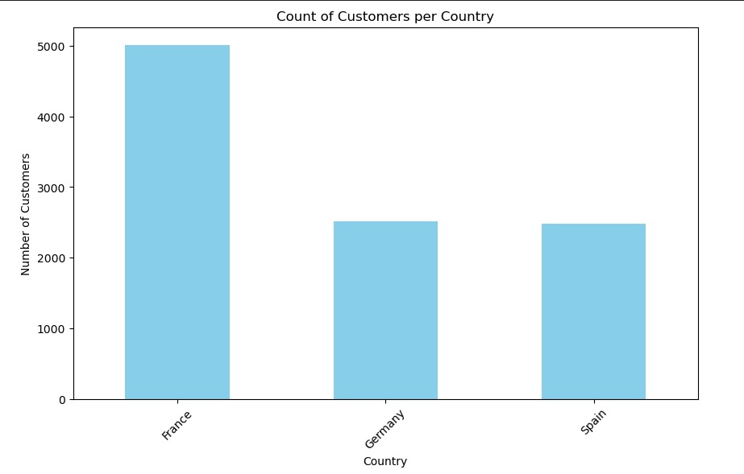

 |  |  |  |  | The bar chart shows that France has the highest number of customers, followed by Germany and Spain, indicating a larger customer base in France compared to the other two countries. This disparity suggests that customer retention strategies might need to be tailored differently for each country.

 |  | Count of Active and Inactive members

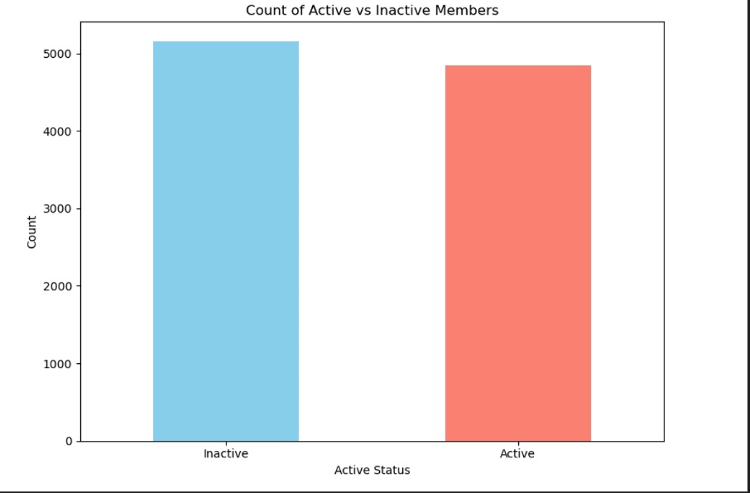

 |  |  |  |  | The bar chart shows a nearly equal distribution between active and inactive members, indicating a balanced customer engagement within the bank's customer base. This balance suggests that strategies targeting both groups could be equally important for improving overall customer satisfaction and retention.

What are the three customer groups based on their buying habits?
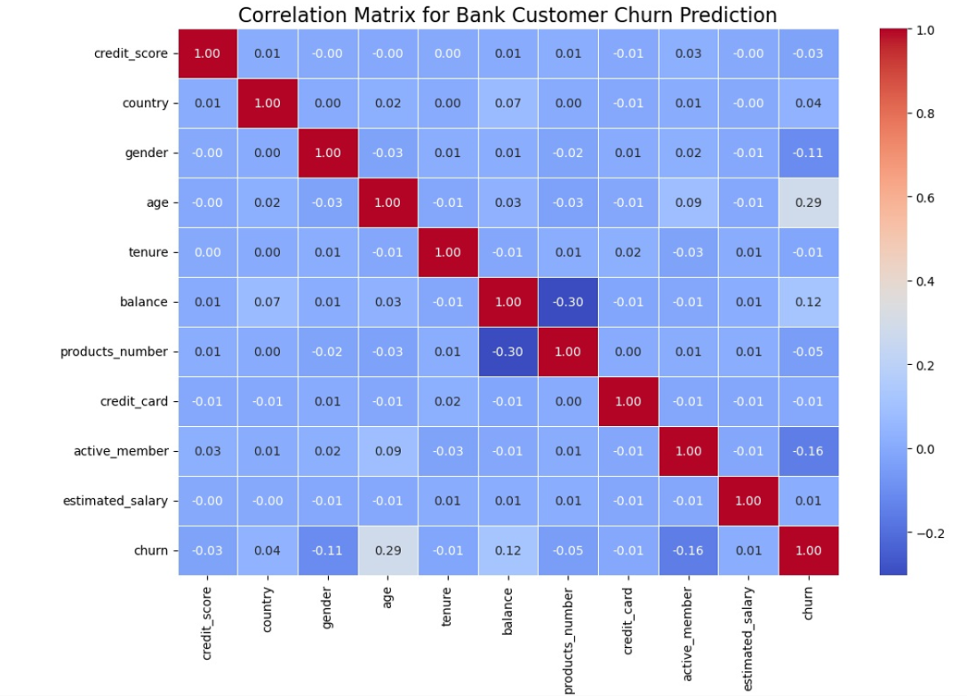

 |  |  |  |  | The correlation matrix reveals that age and balance have the strongest positive correlations with churn, while being an active member has a significant negative correlation with churn. This suggests that older customers and those with higher balances are more likely to churn, whereas active members tend to remain with the bank.

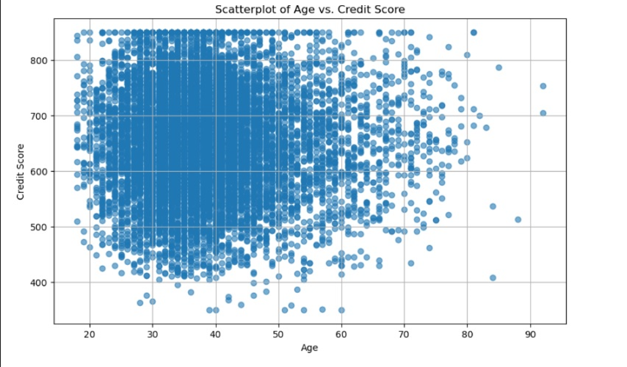

 |  |  |  |  | The scatterplot shows a broad distribution of credit scores across different ages, with no strong correlation between age and credit score. The data points are widely dispersed, indicating that credit scores vary significantly regardless of the customer's age.

 |  | Logistic Regrassion Probabilities on Test Set

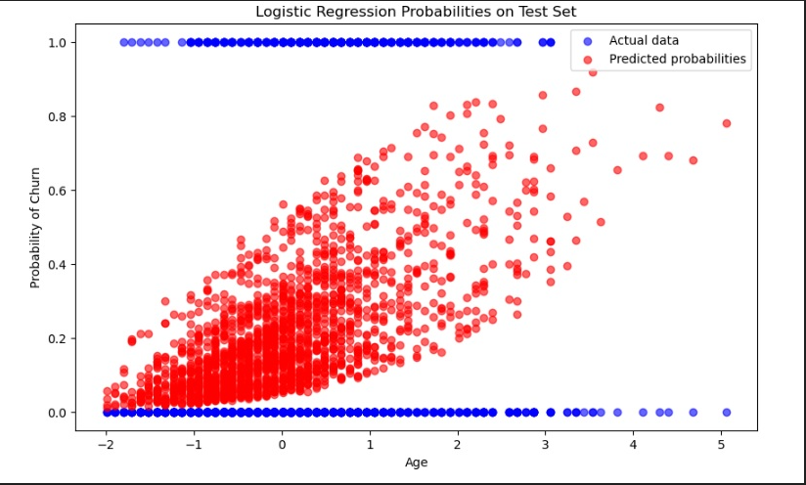

 |  |  |  |  | The scatterplot shows the logistic regression model's predicted probabilities of customer churn (in red) versus actual churn data (in blue) across different ages. The increasing trend in predicted probabilities with age suggests that older customers are more likely to churn, as indicated by the clustering of higher probabilities at higher ages.

 |  |  | Trend Over Time

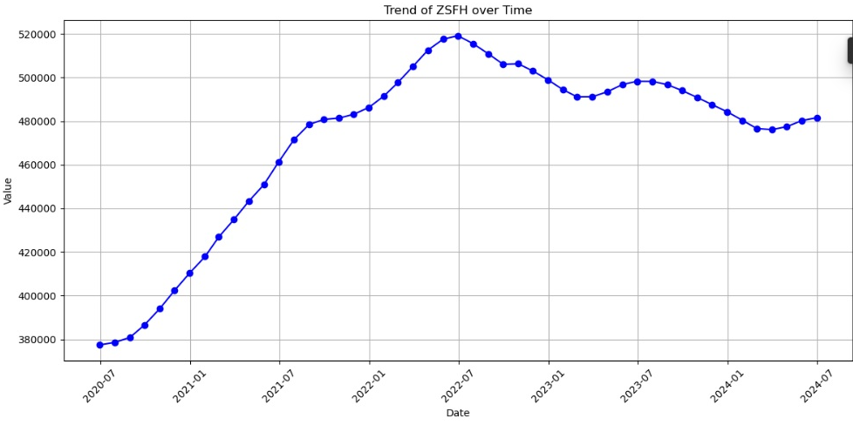

 |  |  |  |  | The line chart shows the trend of ZSFH values over time from mid-2020 to mid-2024, indicating a significant increase until early 2022, followed by a decline and subsequent stabilization. The pattern suggests initial growth, likely due to favorable conditions, followed by a correction phase, and recent stabilization around 480,000.

7. Recommendations
 | Title page

Recommendations

In this tab you should include any recommendations you would made to Instcart in terms of their marketing strategy based on the questions posed in the brief. Every key question has been covered in the Tasks of the Exercises - here you need to add an item - a visualisation or table/crosstable that is showing the answer in the data, acompanied by a comment from you. Please, list the questions below and add the answer underneath.

Recommendation 1

Banking Strategies Based on Customer Balance Distribution

The graph shows that German customers have higher and more consistent account balances compared to customers in France and Spain, who have more varied balances. To improve customer satisfaction and retention, the bank should offer premium services and investment options to German customers, who generally have higher balances. For customers in France and Spain, the bank should focus on financial education and personalized banking services to help stabilize and grow their account balances. Additionally, enhancing digital banking features and providing tailored financial advice could benefit all customers.

Recommendation 2

Marketing and Product Strategies for Middle-Aged Customers Across Countries

The graph shows a consistent age distribution between male and female customers across France, Spain, and Germany, with an average age around 40 years. Given this similarity, the bank should consider creating targeted marketing campaigns and financial products tailored to this age group. These could include retirement planning services, long-term investment options, and family financial planning resources. Additionally, leveraging digital channels to engage this demographic can enhance customer experience and satisfaction, ensuring better retention and loyalty across these regions.

Recommendation 3

Reducing Churn in Germany

The graph shows that Germany has the highest churn rate compared to France and Spain. The bank should focus on improving customer retention in Germany by introducing personalized engagement programs, loyalty rewards, and better customer service. Conducting surveys to understand why customers leave can provide useful insights. For France and Spain, the bank should continue its current strategies while looking for ways to further enhance customer loyalty.

